Source-Map
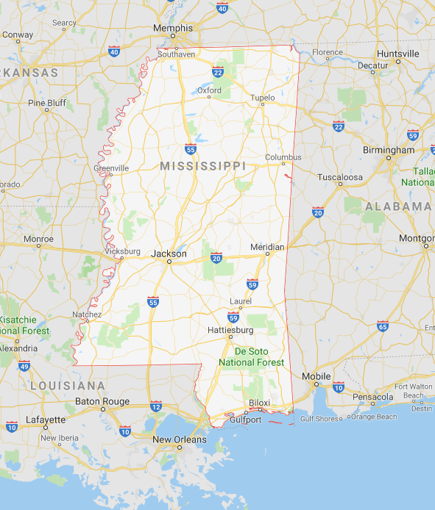
https://en.wikipedia.org/wiki/List_of_municipalities_in_Mississippi

